Bar charts
 | ARIMA | LSTM | 1DCNN | GRU W/O features | GRU
MAE (15 mins) |  | 0.1175 | 0.0964 | 0.0653 | 0.0561
MAE (60 mins) | 0.1217 | 0.0562 | 0.0984 | 0.0706 | 0.0605

Model | MAE (15 mins) | MAE (60 mins)
ARIMA |  | 0.1217
LSTM | 0.1175 | 0.0562
GRU | 0.0561 | 0.0605
1DCNN | 0.0964 | 0.0984
GRU W/O features | 0.0653 | 0.0706

 | GRU W/O features | 1DCNN | GRU | ARIMA | LSTM
MSE (15 mins) | 0.0072 | 0.0142 | 0.0056 |  | 0.0201
MSE (60 mins) | 0.0085 | 0.0142 | 0.0048 | 0.0202 | 0.0055

Model | MSE (15 mins) | MSE (60 mins)
ARIMA |  | 0.0202
LSTM | 0.0201 | 0.0055
GRU | 0.0056 | 0.0048
1DCNN | 0.0142 | 0.0142
GRU W/O features | 0.0072 | 0.0085

 | ARIMA | LSTM | 1DCNN | GRU W/O features | GRU
RMSE (15 mins) |  | 14.184 | 11.925 | 8.481 | 7.504
RMSE (60 mins) | 14.218 | 7.442 | 11.925 | 9.22 | 6.955
Model | RMSE (15 mins) | RMSE (60 mins)
ARIMA |  | 14.218
LSTM | 14.184 | 7.442
GRU | 7.504 | 6.955
1DCNN | 11.925 | 11.925
GRU W/O features | 8.481 | 9.22

ARIMA
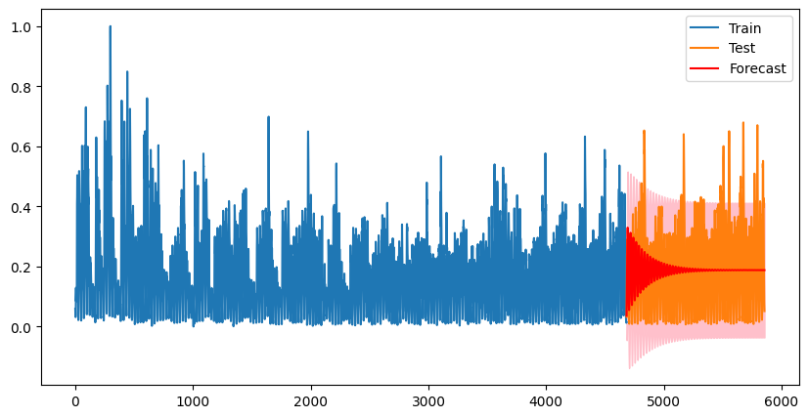
MSE: 0.019720307773327474 MAE: 0.11758237247218546

Confusion Matrix:
[[ 17 353 0]
[ 0 216 5]
[ 0 526 55]]
Classification Report:
precision recall f1-score support

0 1.00 0.05 0.09 370
1 0.20 0.98 0.33 221
2 0.92 0.09 0.17 581

accuracy 0.25 1172
macro avg 0.70 0.37 0.20 1172
weighted avg 0.81 0.25 0.17 1172

VehicleTypes
Vehicle Types
Type | Aug-Sept | Oct-Nov | Dec-Jan | Feb | 6 months | Percentages
Car | 263,264 | 176,612 | 268,364 | 138,994 | 847,234 | 79.22%
Light Goods Vehicle | 44,019 | 25,564 | 34,236 | 19,630 | 123,449 | 11.54%
Bus | 11,994 | 10,936 | 15,653 | 8,054 | 46,637 | 4.36%
Other | 12,374 | 5,924 | 10,560 | 6,416 | 35,274 | 4.88% | 3.30%
Heavy Goods Vehicle | 3,834 | 3,240 | 5,218 | 3,424 | 15,716 |  | 1.47%
Bicycle | 280 | 202 | 449 | 230 | 1,161 |  | 0.11% |  |  |  |  |  |  |  |  | Variable | Mean | Std Dev | Min | Max
Total | 335,765 | 222,478 | 334,480 | 176,748 | 1,069,471 | 100% | 4.88% |  |  |  |  |  |  |  |  | Total Vehicles | 54.7091 | 49.48238 | 0 | 353

 |  |  |  |  |  |  |  |  |  |  |  |  |  |  |  | Variable | Total Vehicles
 |  |  |  |  |  |  |  |  |  |  |  |  |  |  |  | Mean | 54.7091
 |  |  |  |  |  |  |  |  |  |  |  |  |  |  |  | Std Dev | 49.48238
 |  |  |  |  |  |  |  |  |  |  |  |  |  |  |  | Min | 0
 |  |  |  |  |  |  |  |  |  |  |  |  |  |  |  | Max | 353

Type | Count | Percent % | Avg speed |  |  | Type | Count | Percent % | Avg speed | Type | Count | Percent % | Avg speed | Type | Count | Percent % | Avg speed
Car | 263,264 | 78% | 85 km/h |  |  | Car | 176,612 | 79% | 63 km/h | Car | 268,364 | 80% | 55 km/h | Car | 138,994 | 79% | 56 km/h
Light Goods Vehicle | 44,019 | 13% | 93 km/h |  |  | Light Goods Vehicle | 25,564 | 11% | 71 km/h | Light Goods Vehicle | 34,236 | 10% | 55 km/h | Light Goods Vehicle | 19,630 | 11% | 57 km/h
Motorcycle | 12,374 | 4% | 83 km/h |  |  | Motorcycle | 5,924 | 3% | 73 km/h | Motorcycle | 10,560 | 3% | 56 km/h | Motorcycle | 6,416 | 4% | 58 km/h
Heavy Goods Vehicle | 3,834 | 1% | 88 km/h |  |  | Heavy Goods Vehicle | 3,240 | 1% | 65 km/h | Heavy Goods Vehicle | 5,218 | 2% | 53 km/h | Heavy Goods Vehicle | 3,424 | 2% | 55 km/h
Bus | 11,994 | 4% | 80 km/h |  |  | Bus | 10,936 | 5% | 60 km/h | Bus | 15,653 | 5% | 48 km/h | Bus | 8,054 | 5% | 49 km/h
Bicycle | 280 | 0.08% | 60 km/h |  |  | Bicycle | 202 | 0.09% | 57 km/h | Bicycle | 449 | 0.10% | 22 km/h | Bicycle | 230 | 0.10% | 22 km/h
Total : 335,765 |  |  |  |  |  | Total : 222,478 |  |  |  | Total : 334,480 |  |  |  | Total : 176,748
Aug-Sept |  |  |  |  |  | Oct-Nov |  |  |  | Dec-Jan |  |  |  | Feb

